Find and Replace - Formatting
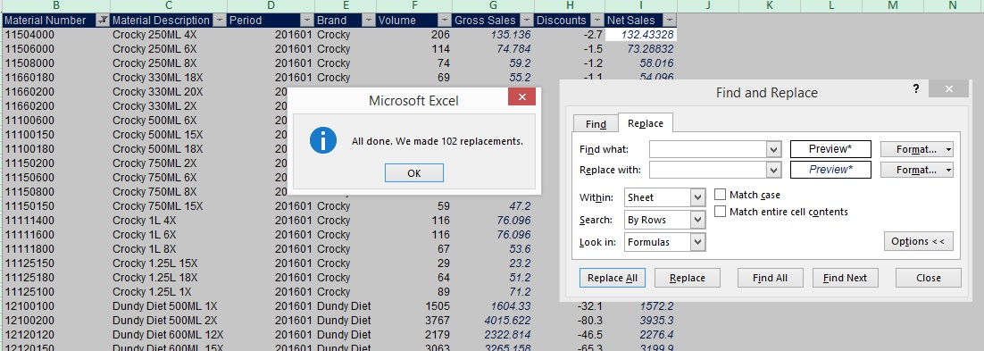
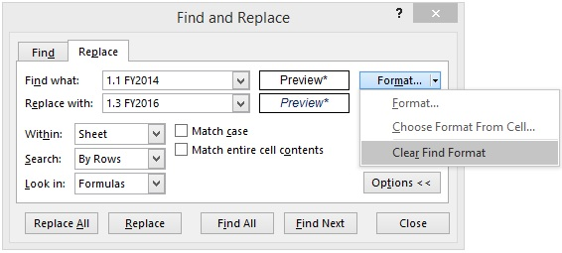
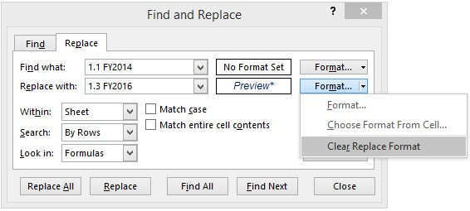
SOLUTION - Find and Replace - Formatting

Task 1: Change the fill color of all orange cells to yellow.

Open the Find and Replace dialog box from the File&Select button under the Home tab.

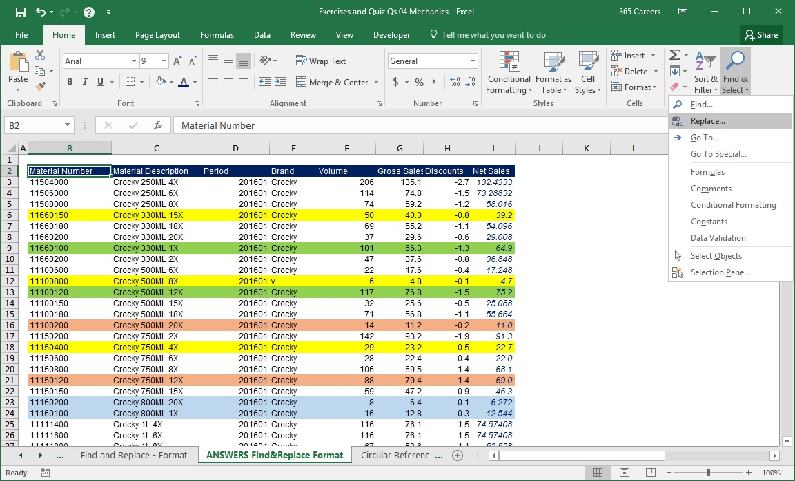

Press the Options button.

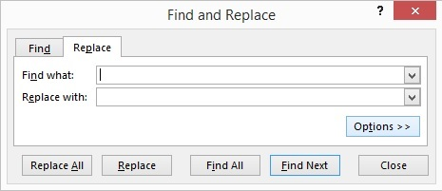

To specify a certain formatting that must be changed, click on the upper Format button.

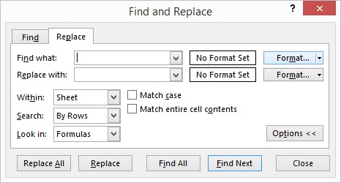

In the window that opens, indicate the color you would like changed.
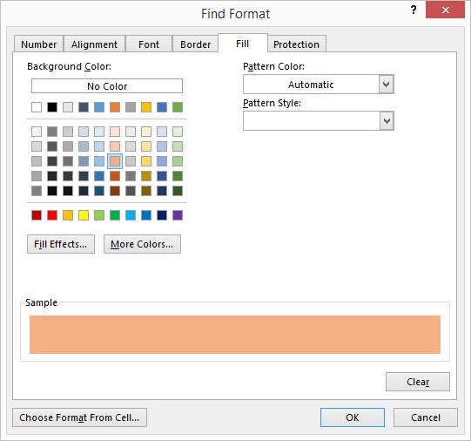

Great! In this step, you should specify the new format. Hence, click on the lower Format button.
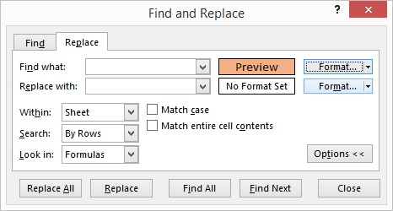

This time, opt for yellow fill.
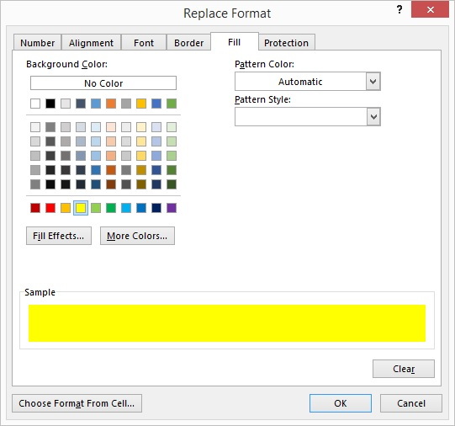

Perfect, you did it! Press the Replace All button.

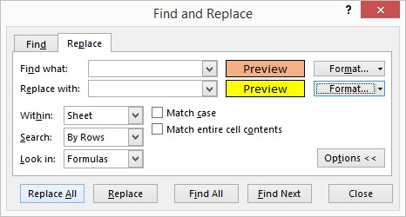

Click OK. You made 40 replacements in 5 seconds!
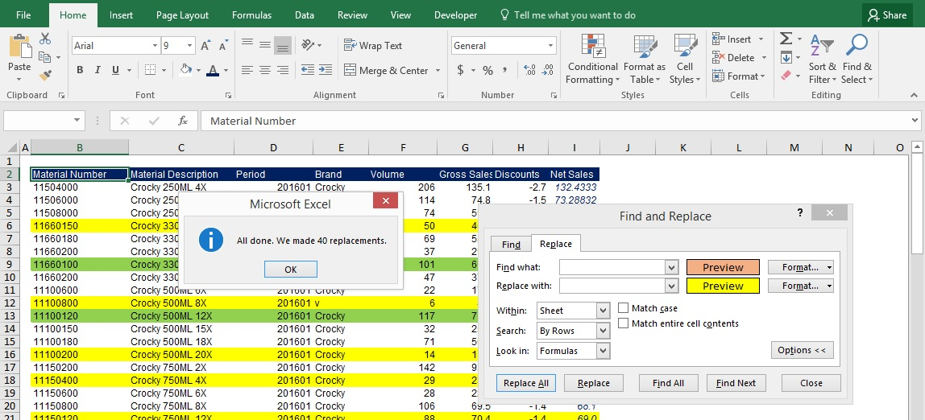

Task 2: Change the fill color of all green cells to blue.

Replacing the blue cells with green fill is analogical to what you just did. You will have to make 56 replacements here.

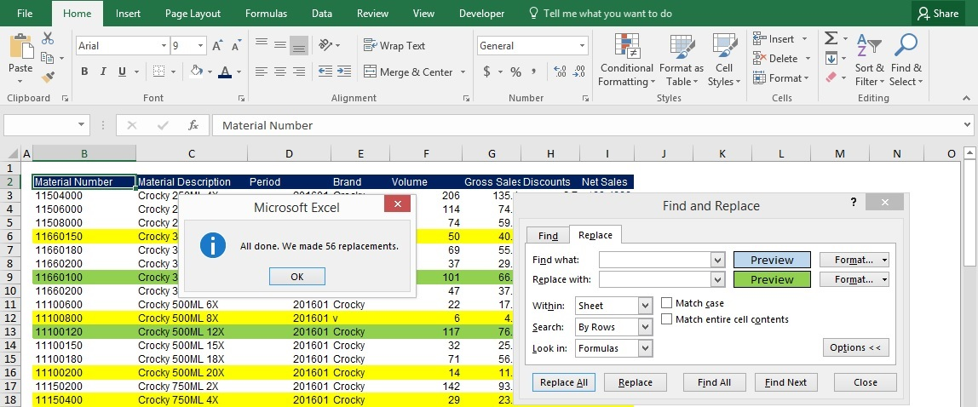

If you have worked correctly, this is how the table should look at this stage.

Material Number | Material Description | Period | Brand | Volume | Gross Sales | Discounts | Net Sales
11504000 | Crocky 250ML 4X | 201601 | Crocky | 206 | 135.1 | -2.7 | 132.43328
11506000 | Crocky 250ML 6X | 201601 | Crocky | 114 | 74.8 | -1.5 | 73.28832
11508000 | Crocky 250ML 8X | 201601 | Crocky | 74 | 59.2 | -1.2 | 58.016
11660150 | Crocky 330ML 15X | 201601 | Crocky | 50 | 40.0 | -0.8 | 39.2
11660180 | Crocky 330ML 18X | 201601 | Crocky | 69 | 55.2 | -1.1 | 54.096
11660200 | Crocky 330ML 20X | 201601 | Crocky | 37 | 29.6 | -0.6 | 29.008
11660100 | Crocky 330ML 1X | 201601 | Crocky | 101 | 66.3 | -1.3 | 64.9
11660200 | Crocky 330ML 2X | 201601 | Crocky | 47 | 37.6 | -0.8 | 36.848
11100600 | Crocky 500ML 6X | 201601 | Crocky | 22 | 17.6 | -0.4 | 17.248
11100800 | Crocky 500ML 8X | 201601 | v | 6 | 4.8 | -0.1 | 4.7
11100120 | Crocky 500ML 12X | 201601 | Crocky | 117 | 76.8 | -1.5 | 75.2
11100150 | Crocky 500ML 15X | 201601 | Crocky | 32 | 25.6 | -0.5 | 25.088
11100180 | Crocky 500ML 18X | 201601 | Crocky | 71 | 56.8 | -1.1 | 55.664
11100200 | Crocky 500ML 20X | 201601 | Crocky | 14 | 11.2 | -0.2 | 11.0
11150200 | Crocky 750ML 2X | 201601 | Crocky | 142 | 93.2 | -1.9 | 91.3
11150400 | Crocky 750ML 4X | 201601 | Crocky | 29 | 23.2 | -0.5 | 22.7
11150600 | Crocky 750ML 6X | 201601 | Crocky | 28 | 22.4 | -0.4 | 22.0
11150800 | Crocky 750ML 8X | 201601 | Crocky | 106 | 69.5 | -1.4 | 68.1
11150120 | Crocky 750ML 12X | 201601 | Crocky | 88 | 70.4 | -1.4 | 69.0
11150150 | Crocky 750ML 15X | 201601 | Crocky | 59 | 47.2 | -0.9 | 46.3
11160200 | Crocky 800ML 20X | 201601 | Crocky | 8 | 6.4 | -0.1 | 6.272
11160100 | Crocky 800ML 1X | 201601 | Crocky | 16 | 12.8 | -0.3 | 12.544
11111400 | Crocky 1L 4X | 201601 | Crocky | 116 | 76.1 | -1.5 | 74.57408
11111600 | Crocky 1L 6X | 201601 | Crocky | 116 | 76.1 | -1.5 | 74.57408
11111800 | Crocky 1L 8X | 201601 | Crocky | 67 | 53.6 | -1.1 | 52.528
11125150 | Crocky 1.25L 15X | 201601 | Crocky | 29 | 23.2 | -0.5 | 22.736
11125180 | Crocky 1.25L 18X | 201601 | Crocky | 64 | 51.2 | -1.0 | 50.2
11125200 | Crocky 1.25L 20X | 201601 | Crocky | 8 | 6.4 | -0.1 | 6.3
11125100 | Crocky 1.25L 1X | 201601 | Crocky | 89 | 71.2 | -1.4 | 69.8
11300400 | Crocky 1.5L 4X | 201601 | Crocky | 105 | 68.9 | -1.4 | 67.5
11300600 | Crocky 1.5L 6X | 201601 | Crocky | 117 | 76.8 | -1.5 | 75.2
12100100 | Dundy Diet 500ML 1X | 201601 | Dundy Diet | 1505 | 1604.3 | -32.1 | 1572.2
12100200 | Dundy Diet 500ML 2X | 201601 | Dundy Diet | 3767 | 4015.6 | -80.3 | 3935.3
12120600 | Dundy Diet 600ML 6X | 201601 | Dundy Diet | 2761 | 2943.2 | -58.9 | 2884.36148
12120800 | Dundy Diet 600ML 8X | 201601 | Dundy Diet | 3034 | 3234.2 | -64.7 | 3169.55912
12120120 | Dundy Diet 600ML 12X | 201601 | Dundy Diet | 2179 | 2322.8 | -46.5 | 2276.4
12120150 | Dundy Diet 600ML 15X | 201601 | Dundy Diet | 3063 | 3265.2 | -65.3 | 3199.9
12120180 | Dundy Diet 600ML 18X | 201601 | Dundy Diet | 1299 | 1384.7 | -27.7 | 1357.0
12150100 | Dundy Diet 750ML 1X | 201601 | Dundy Diet | 2458 | 2620.2 | -52.4 | 2567.82344
12150200 | Dundy Diet 750ML 2X | 201601 | Dundy Diet | 2186 | 2330.3 | -46.6 | 2283.7
12150400 | Dundy Diet 750ML 4X | 201601 | Dundy Diet | 1632 | 1739.7 | -34.8 | 1704.91776
12150600 | Dundy Diet 750ML 6X | 201601 | Dundy Diet | 3863 | 4118.0 | -82.4 | 4035.59884
12150800 | Dundy Diet 750ML 8X | 201601 | Dundy Diet | 1822 | 1942.3 | -38.8 | 1903.40696
12111600 | Dundy Diet 1L 6X | 201601 | Dundy Diet | 1117 | 1190.7 | -23.8 | 1166.90756
12111800 | Dundy Diet 1L 8X | 201601 | Dundy Diet | 3649 | 3889.8 | -77.8 | 3812.03732
12111120 | Dundy Diet 1L 12X | 201601 | Dundy Diet | 2151 | 2293.0 | -45.9 | 2247.10668
12111150 | Dundy Diet 1L 15X | 201601 | Dundy Diet | 3851 | 4105.2 | -82.1 | 4023.06268
12111180 | Dundy Diet 1L 18X | 201601 | Dundy Diet | 2955 | 3150.0 | -63.0 | 3087.0294
12125100 | Dundy Diet 1.25L 1X | 201601 | Dundy Diet | 1838 | 1959.3 | -39.2 | 1920.1
12125200 | Dundy Diet 1.25L 2X | 201601 | Dundy Diet | 3258 | 3473.0 | -69.5 | 3403.6
12125400 | Dundy Diet 1.25L 4X | 201601 | Dundy Diet | 3738 | 3984.7 | -79.7 | 3905.0
12125600 | Dundy Diet 1.25L 6X | 201601 | Dundy Diet | 2644 | 2818.5 | -56.4 | 2762.1
12125800 | Dundy Diet 1.25L 8X | 201601 | Dundy Diet | 1595 | 1700.3 | -34.0 | 1666.3
12125120 | Dundy Diet 1.25L 12X | 201601 | Dundy Diet | 2503 | 2668.2 | -53.4 | 2614.8
13501500 | Dundy Max 250ML 15X | 201601 | Dundy Max | 3893 | 3511.5 | -70.2 | 3441.25628
13501800 | Dundy Max 250ML 18X | 201601 | Dundy Max | 3528 | 3182.3 | -63.6 | 3118.6
13502000 | Dundy Max 250ML 20X | 201601 | Dundy Max | 1236 | 1114.9 | -22.3 | 1092.6
13100120 | Dundy Max 500ML 12X | 201601 | Dundy Max | 4985 | 4496.5 | -89.9 | 4406.5
13100150 | Dundy Max 500ML 15X | 201601 | Dundy Max | 3538 | 3191.3 | -63.8 | 3127.45048
13100180 | Dundy Max 500ML 18X | 201601 | Dundy Max | 4140 | 3734.3 | -74.7 | 3659.5944
13150100 | Dundy Max 750ML 1X | 201601 | Dundy Max | 3091 | 2788.1 | -55.8 | 2732.32036
13150200 | Dundy Max 750ML 2X | 201601 | Dundy Max | 1829 | 1649.8 | -33.0 | 1616.76284
13150400 | Dundy Max 750ML 4X | 201601 | Dundy Max | 2068 | 1865.3 | -37.3 | 1828.02928
13125200 | Dundy Max 1.25L 20X | 201601 | Dundy Max | 2245 | 2025.0 | -40.5 | 1984.4902
13125100 | Dundy Max 1.25L 1X | 201601 | Dundy Max | 1379 | 1243.9 | -24.9 | 1218.98084
13125200 | Dundy Max 1.25L 2X | 201601 | Dundy Max | 3540 | 3193.1 | -63.9 | 3129.2184
13125400 | Dundy Max 1.25L 4X | 201601 | Dundy Max | 4504 | 4062.6 | -81.3 | 3981.35584
14501200 | Dundy Free 250ML 12X | 201601 | Dundy Free | 3643 | 3584.7 | -71.7 | 3513.0
14100120 | Dundy Free 500ML 12X | 201601 | Dundy Free | 8041 | 7912.3 | -158.2 | 7754.1
14150600 | Dundy Free 750ML 6X | 201601 | Dundy Free | 8771 | 8630.7 | -172.6 | 8458.05072
14150800 | Dundy Free 750ML 8X | 201601 | Dundy Free | 6284 | 6183.5 | -123.7 | 6059.78688
14150120 | Dundy Free 750ML 12X | 201601 | Dundy Free | 8174 | 8043.2 | -160.9 | 7882.35168
14111600 | Dundy Free 1L 6X | 201601 | Dundy Free | 5687 | 5596.0 | -111.9 | 5484.1
14111800 | Dundy Free 1L 8X | 201601 | Dundy Free | 8407 | 8272.5 | -165.4 | 8107.0
14111120 | Dundy Free 1L 12X | 201601 | Dundy Free | 6056 | 5959.1 | -119.2 | 5839.9
15508000 | Dundy One 100ML 8X | 201601 | Dundy One | 1243 | 1274.1 | -25.5 | 1248.6
28100100 | Pit Bull 500ML 1X | 201601 | Pit Bull | 35 | 66.5 | -1.3 | 65.2
28100200 | Pit Bull 500ML 2X | 201601 | Pit Bull | 31 | 58.9 | -1.2 | 57.7
28100400 | Pit Bull 500ML 4X | 201601 | Pit Bull | 23 | 43.7 | -0.9 | 42.8

Task 3: Select only the cells with No Fill (you remember how to do this, right? :)

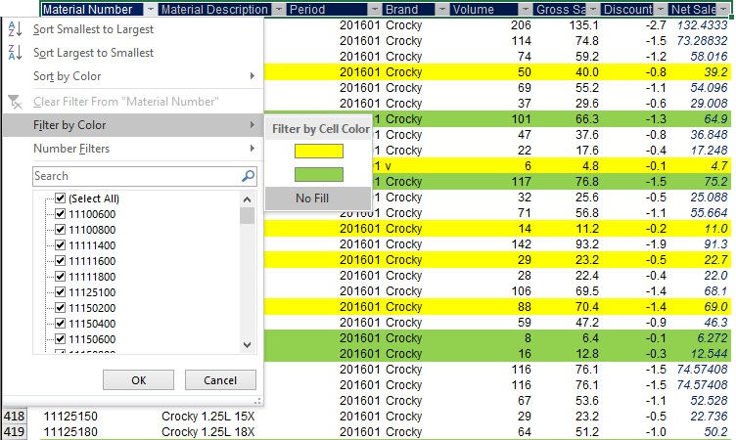

Material Number | Material Description | Period | Brand | Volume | Gross Sales | Discounts | Net Sales
11504000 | Crocky 250ML 4X | 201601 | Crocky | 206 | 135.1 | -2.7 | 132.43328
11506000 | Crocky 250ML 6X | 201601 | Crocky | 114 | 74.8 | -1.5 | 73.28832
11508000 | Crocky 250ML 8X | 201601 | Crocky | 74 | 59.2 | -1.2 | 58.016
11660180 | Crocky 330ML 18X | 201601 | Crocky | 69 | 55.2 | -1.1 | 54.096
11660200 | Crocky 330ML 20X | 201601 | Crocky | 37 | 29.6 | -0.6 | 29.008
11660200 | Crocky 330ML 2X | 201601 | Crocky | 47 | 37.6 | -0.8 | 36.848
11100600 | Crocky 500ML 6X | 201601 | Crocky | 22 | 17.6 | -0.4 | 17.248
11100150 | Crocky 500ML 15X | 201601 | Crocky | 32 | 25.6 | -0.5 | 25.088
11100180 | Crocky 500ML 18X | 201601 | Crocky | 71 | 56.8 | -1.1 | 55.664
11150200 | Crocky 750ML 2X | 201601 | Crocky | 142 | 93.2 | -1.9 | 91.3
11150600 | Crocky 750ML 6X | 201601 | Crocky | 28 | 22.4 | -0.4 | 22.0
11150800 | Crocky 750ML 8X | 201601 | Crocky | 106 | 69.5 | -1.4 | 68.1
11150150 | Crocky 750ML 15X | 201601 | Crocky | 59 | 47.2 | -0.9 | 46.3
11111400 | Crocky 1L 4X | 201601 | Crocky | 116 | 76.1 | -1.5 | 74.57408
11111600 | Crocky 1L 6X | 201601 | Crocky | 116 | 76.1 | -1.5 | 74.57408
11111800 | Crocky 1L 8X | 201601 | Crocky | 67 | 53.6 | -1.1 | 52.528
11125150 | Crocky 1.25L 15X | 201601 | Crocky | 29 | 23.2 | -0.5 | 22.736
11125180 | Crocky 1.25L 18X | 201601 | Crocky | 64 | 51.2 | -1.0 | 50.2
11125100 | Crocky 1.25L 1X | 201601 | Crocky | 89 | 71.2 | -1.4 | 69.8
12100100 | Dundy Diet 500ML 1X | 201601 | Dundy Diet | 1505 | 1604.3 | -32.1 | 1572.2
12100200 | Dundy Diet 500ML 2X | 201601 | Dundy Diet | 3767 | 4015.6 | -80.3 | 3935.3
12120120 | Dundy Diet 600ML 12X | 201601 | Dundy Diet | 2179 | 2322.8 | -46.5 | 2276.4
12120150 | Dundy Diet 600ML 15X | 201601 | Dundy Diet | 3063 | 3265.2 | -65.3 | 3199.9
12120180 | Dundy Diet 600ML 18X | 201601 | Dundy Diet | 1299 | 1384.7 | -27.7 | 1357.0
12150800 | Dundy Diet 750ML 8X | 201601 | Dundy Diet | 1822 | 1942.3 | -38.8 | 1903.40696
12111600 | Dundy Diet 1L 6X | 201601 | Dundy Diet | 1117 | 1190.7 | -23.8 | 1166.90756
12111800 | Dundy Diet 1L 8X | 201601 | Dundy Diet | 3649 | 3889.8 | -77.8 | 3812.03732
12111120 | Dundy Diet 1L 12X | 201601 | Dundy Diet | 2151 | 2293.0 | -45.9 | 2247.10668
12111150 | Dundy Diet 1L 15X | 201601 | Dundy Diet | 3851 | 4105.2 | -82.1 | 4023.06268
12125100 | Dundy Diet 1.25L 1X | 201601 | Dundy Diet | 1838 | 1959.3 | -39.2 | 1920.1
12125200 | Dundy Diet 1.25L 2X | 201601 | Dundy Diet | 3258 | 3473.0 | -69.5 | 3403.6
12125400 | Dundy Diet 1.25L 4X | 201601 | Dundy Diet | 3738 | 3984.7 | -79.7 | 3905.0
12125800 | Dundy Diet 1.25L 8X | 201601 | Dundy Diet | 1595 | 1700.3 | -34.0 | 1666.3
12125120 | Dundy Diet 1.25L 12X | 201601 | Dundy Diet | 2503 | 2668.2 | -53.4 | 2614.8
13501800 | Dundy Max 250ML 18X | 201601 | Dundy Max | 3528 | 3182.3 | -63.6 | 3118.6
13502000 | Dundy Max 250ML 20X | 201601 | Dundy Max | 1236 | 1114.9 | -22.3 | 1092.6
13100150 | Dundy Max 500ML 15X | 201601 | Dundy Max | 3538 | 3191.3 | -63.8 | 3127.45048
13100180 | Dundy Max 500ML 18X | 201601 | Dundy Max | 4140 | 3734.3 | -74.7 | 3659.5944
13150100 | Dundy Max 750ML 1X | 201601 | Dundy Max | 3091 | 2788.1 | -55.8 | 2732.32036
13150200 | Dundy Max 750ML 2X | 201601 | Dundy Max | 1829 | 1649.8 | -33.0 | 1616.76284
13125200 | Dundy Max 1.25L 20X | 201601 | Dundy Max | 2245 | 2025.0 | -40.5 | 1984.4902
13125100 | Dundy Max 1.25L 1X | 201601 | Dundy Max | 1379 | 1243.9 | -24.9 | 1218.98084
13125200 | Dundy Max 1.25L 2X | 201601 | Dundy Max | 3540 | 3193.1 | -63.9 | 3129.2184
13125400 | Dundy Max 1.25L 4X | 201601 | Dundy Max | 4504 | 4062.6 | -81.3 | 3981.35584
14150600 | Dundy Free 750ML 6X | 201601 | Dundy Free | 8771 | 8630.7 | -172.6 | 8458.05072
14150800 | Dundy Free 750ML 8X | 201601 | Dundy Free | 6284 | 6183.5 | -123.7 | 6059.78688
14150120 | Dundy Free 750ML 12X | 201601 | Dundy Free | 8174 | 8043.2 | -160.9 | 7882.35168
14111800 | Dundy Free 1L 8X | 201601 | Dundy Free | 8407 | 8272.5 | -165.4 | 8107.0
15508000 | Dundy One 100ML 8X | 201601 | Dundy One | 1243 | 1274.1 | -25.5 | 1248.6
28100200 | Pit Bull 500ML 2X | 201601 | Pit Bull | 31 | 58.9 | -1.2 | 57.7
28100400 | Pit Bull 500ML 4X | 201601 | Pit Bull | 23 | 43.7 | -0.9 | 42.8

Task 4: Apply the formatting of Net Sales to Gross Sales, using the Choose Format from Cell option.

First, open the Find and Replace dialog box and expand the Format button from the Replace tab. Use the Choose Format from Cell option.
Next, select the cells you would like to change. A cell from the Gross Sales Columns must be picked. For example - 135.1.

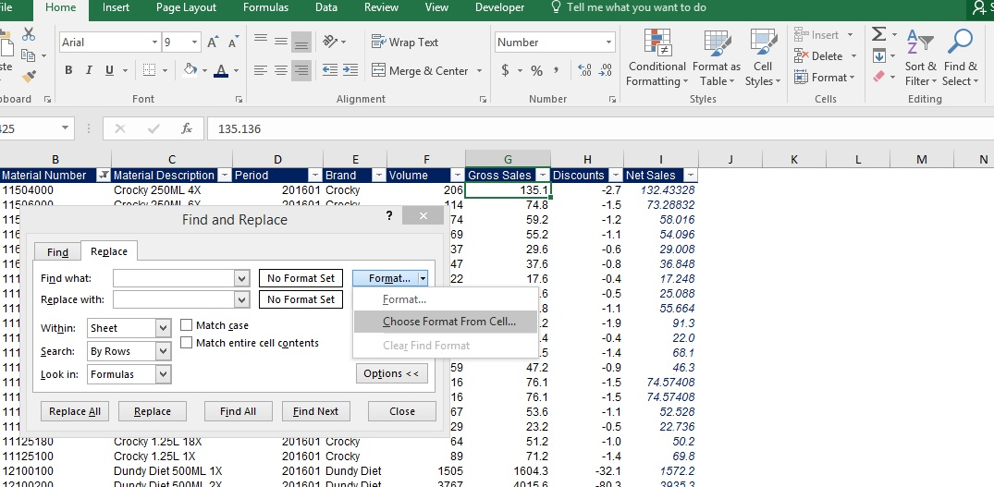

Repeat the same operation, while selecting formatting that must be applied to the Gross Sales values. Pick a cell from the Net Sales column.

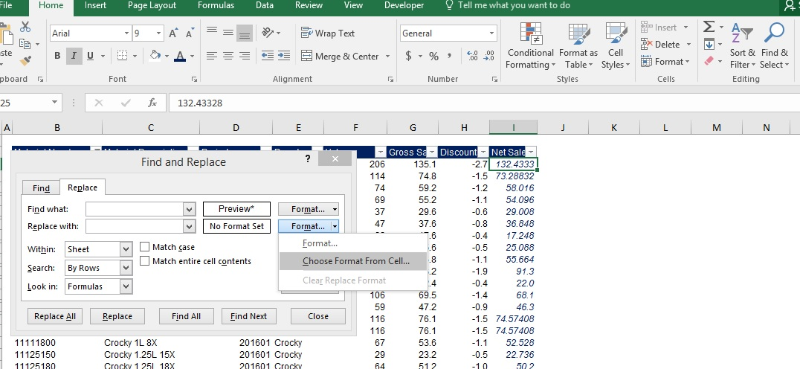

Do not forget to click on the Replace All button.

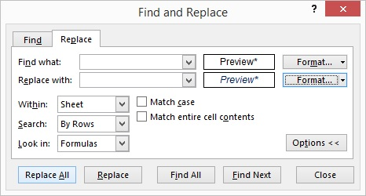

Click "OK" and 102 replacements will be made!
Remember to clear the formatting rule!

